Q1 VISUAL
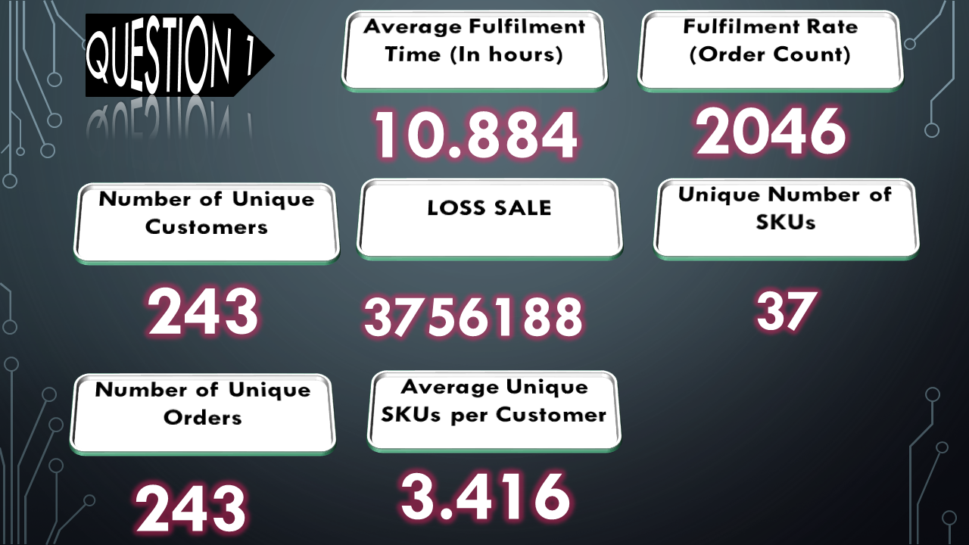

Q2 Visuals

Breakfast Product Vs Sum of Value
 | Sum of Value | Sum of Quantity
Nestle Milo | 5448640 | 556.5
Dano Cool Cow | 3208117.5 | 438.25
Peak Milk | 2117355 | 260.5
Nestle Golden Morn | 1858537.5 | 257.75
Hollandia Evap. Milk | 1608660 | 613
Three Crowns Milk | 1058000 | 235
Bournvita | 718900 | 77
Cowbell Milk | 699200 | 87.5
Nasco Cornflakes | 440600 | 233
Dano Full Cream | 335440 | 20
Nibit Cookies | 228000 | 76
Dangote Sugar | 153300 | 36.5
MistaChoco 15g | 85541 | 98
Blue Band Spread | 63000 | 8
Loya Milk | 55000 | 5
Bama Mayonnaise | 50600 | 4
Checkers Custard | 40800 | 8
Nasco Biscuit | 33000 | 10
Infinity Cornflakes | 29450 | 19
Mac Wafers | 23860 | 10
Nescafe | 21200 | 1
Producer Vs Sum of Value
 | Total
Nestle Nigeria Plc | 7505037.5
FrieslandCampina WAMCO Nigeria | 3586955
Arla Foods | 3543557.5
Eko Supreme Ltd | 2692730
Flour Mills of Nigeria | 2288682.5
Chi Nigeria Limited | 1608660
Hayat Kimya Nigeria Limited | 945200
PZ Cussons Nigeria Plc | 935150
Promasidor | 754200
Cadbury Nigeria Plc | 718900
Extreme Manufacturing Nig Ltd | 518200
Nasco | 473600
Olam Group Nigeria | 412700
Henkel Expand Global | 395200
Sonia Foods Industries Ltd. | 386300
DUFIL Prima foods Plc | 383370
Unimer S.A | 343200
Procter and Gamble | 281170
Fastizers Food Confectionery | 228000
Dangote | 153300
Unilever Nigeria Plc | 125685
GB Foods | 104000
Sosaco Nigeria Limited | 103870
MistaChoco | 85541
Anhui Qiangwang Food Ltd | 76800
vital | 63450
Limited | 57480
Tradedepot Imported | 40800
Nourdm Global | 34340
Infinity Snacks and Beverages Limited | 29450
Mikano Intl Limited | 23860
Customer Type Vs Order Channel and Avg Value
 | Mobile App | USSD | Web App | Whatsapp
General Trade | 28866.611406 | 7625 | 9671.5789474 | 10809.022706
Modern Trade | 19235.384615 |  |  | 4696.4761905
Wholesale | 31214.019608 |  | 47796.153846 | 13102.714286
Producer,Category Group Vs Variant
 | Total
Nestle Nigeria Plc | 267
MistaChoco | 86
FrieslandCampina WAMCO Nigeria | 162
Chi Nigeria Limited | 71
Arla Foods | 145
PZ Cussons Nigeria Plc | 59
Procter and Gamble | 29
Henkel Expand Global | 97
Extreme Manufacturing Nig Ltd | 67
Eko Supreme Ltd | 166
Sosaco Nigeria Limited | 11
Sonia Foods Industries Ltd. | 23
Olam Group Nigeria | 29
Flour Mills of Nigeria | 125
DUFIL Prima foods Plc | 29
Category Group, Variant,Order Channel, CustomerType Vs Quantity
 | General Trade - Mobile App | General Trade - Web App | General Trade - Whatsapp | Modern Trade - Mobile App | Modern Trade - Whatsapp | Wholesale - Mobile App | Wholesale - Whatsapp
Good Mama Cleaning Detergent Floral 80g x 50 | 321 |  | 103 |  | 1 | 52 | 12
Good Mama Cleaning Detergent 170g x 26 Floral | 324 |  | 77 |  | 3 | 5 | 62
So Easy 80g x 51 | 45 |  | 35 |  | 2 | 70 | 8
Canoe 130g x 48 Extra care (White) | 32 | 4 | 59 |  | 1 | 8 | 13
Good Mama Cleaning Detergent 80g x 50 Lemon | 47 |  | 26 |  | 1 | 35 | 5
So Easy 170g x 26 | 3 |  | 33 |  | 1 | 20
WAW Multi Purpose Powder Detergent 90g x 48 | 4 |  | 37 |  | 3 |  | 9
Good Mama Cleaning Detergent Lemon 170g x 26 | 1 |  | 19 |  | 1 | 25
Good Mama Cleaning Detergent Floral 850g x 6 | 11 |  | 21 |  | 2 | 1 | 6
Canoe Extra Care Laundry Bar Pure 230Gx24 (Brown) | 6.5 | 3 | 12 |  | 1 | 8 | 4
WAW Multi Purpose Powder Detergent 180g x 26 | 2 |  | 17 |  | 4 | 3 | 8
Nittol Antibacterial Powder Detergent 180g x 26 | 1 |  | 18 |  | 3 | 2 | 10
Supreme Tasty Chicken Instant Noodles 70g | 1 |  | 16 |  |  | 5 | 5
Nittol Antibacterial Powder Detergent 90g x 48 | 1 |  | 17 |  | 2 |  | 6
So Klin Ultra detergent 160g x 24 | 10 |  | 13 |  | 1
Ariel Ankara & Colour 150g x 24 | 5 |  | 8 |  |  | 5
WAW Colour 170g X 28 | 1 |  | 11 |  | 2 |  | 1
Ariel Ankara & Colour 800g x 8 |  | 1 | 10 |  | 2 | 1
So Easy 900g |  |  | 8 |  | 1 |  | 4
Magik 80g x 51 |  |  |  |  |  | 10
So Klin Multi x 140g x 48 |  |  | 10
So Klin Detergent 500g x 12 |  |  | 7
Ariel Hs 2Kg x 4 |  |  | 6 |  | 1
Sunlight Destiny Powder Yellow 72x80g |  |  | 7
Magik 170g x 26 | 1 |  |  |  |  | 5
Two free rolls of WAW 170g Color | 1 |  | 2 |  |  |  | 2
Radiant Detergent Powder 800g x 6 |  |  | 3 | 1 | 1
So Klin Concentrated Detergent 935g x 6 |  |  | 5
Nittol Antibacterial Powder Detergent 800g x 7 |  |  | 1 | 1 | 1 |  | 2
Ariel Hs 75g x 36 |  |  | 3 |  |  | 1
Ariel Detergent 75g x 72 | 1 |  | 1 |  |  | 1 | 1
Ariel Original 170g x 24 |  |  | 1 |  |  | 1 | 1
good Mama Cleaning Detergent Lemon 850g x 6 |  |  | 1 |  |  | 1
Radiant Detergent Powder (200g+20g) x 24 |  |  | 2
Supreme Tasty Chicken Instant Noodles 100g |  |  | 2
So Klin Detergent 65g x 48 + 3 free |  |  | 1
Radiant Detergent Powder (90g+10g) x 48 |  |  | 1
Ariel Hs 400g x 12 |  |  | 1

Q3 Visuals
Agent Vs count order,Fulfilment rate,AvgFulfilment
 | Count of Order No. | Sum of fulfillment rate | Average of Fulfilment Time (In hours)_ | Count of Product
Bola Abiodun | 49 | 7.59% | 18.20 | 49
benita Alvin | 44 | 6.68% | 17.00 | 44
Maryjane Joel | 64 | 13.56% | 15.42 | 64
Bernice Segs | 72 | 16.40% | 14.46 | 72
Esther Victor | 51 | 8.39% | 12.29 | 51
Ralia Okwuchukwu | 41 | 5.32% | 11.78 | 41
Martins Obafemi | 53 | 10.06% | 9.89 | 53
Imegwa Philomena | 34 | 5.27% | 8.47 | 34
Adaeze gabriel | 47 | 6.99% | 7.38 | 47
Mary paul | 79 | 19.74% | 5.67 | 79
Correlation of Delivery Agent and Sum fulfillment
 | Count of Delivery Agent | Sum of Fulfilment Time (In hours)_
21-Dec | 138 | 1804
17-Dec | 93 | 1153
4-Dec | 154 | 1147
16-Dec | 79 | 1122
3-Dec | 71 | 1107
10-Dec | 62 | 1077
11-Dec | 91 | 948
28-Dec | 98 | 884
2-Dec | 56 | 878
12-Dec | 74 | 860
20-Dec | 52 | 844
22-Dec | 67 | 828
23-Dec | 58 | 826
1-Dec | 60 | 818
14-Dec | 95 | 777
7-Dec | 53 | 757
19-Dec | 43 | 755
9-Dec | 54 | 742
15-Dec | 52 | 723
29-Dec | 49 | 722
13-Dec | 37 | 536
18-Dec | 44 | 517
30-Dec | 38 | 407
31-Dec | 30 | 397
8-Dec | 44 | 381
24-Dec | 22 | 313
5-Dec | 26 | 286
25-Dec | 16 | 228
6-Dec | 9 | 199
26-Dec | 10 | 158
27-Dec | 14 | 76
Producer, Agent Vs Sum of % ssales and sum of Value
 | Anhui Qiangwang Food Ltd - Sum of Value | Anhui Qiangwang Food Ltd - Sum of % of sales | Arla Foods - Sum of Value | Arla Foods - Sum of % of sales | Cadbury Nigeria Plc - Sum of Value | Cadbury Nigeria Plc - Sum of % of sales | Chi Nigeria Limited - Sum of Value | Chi Nigeria Limited - Sum of % of sales | Dangote - Sum of Value | Dangote - Sum of % of sales | DUFIL Prima foods Plc - Sum of Value | DUFIL Prima foods Plc - Sum of % of sales
Nestle Milo |  | 0.00% |  | 0.00% |  | 0.00% |  | 0.00% |  | 0.00% |  | 0.00%
Dano Cool Cow |  | 0.00% | 3399537.5 | 21.16% |  | 0.00% |  | 0.00% |  | 0.00% |  | 0.00%
Good Mama Cleaning Detergent |  | 0.00% |  | 0.00% |  | 0.00% |  | 0.00% |  | 0.00% |  | 0.00%
Peak Milk |  | 0.00% |  | 0.00% |  | 0.00% |  | 0.00% |  | 0.00% |  | 0.00%
Nestle Golden Morn |  | 0.00% |  | 0.00% |  | 0.00% |  | 0.00% |  | 0.00% |  | 0.00%

QUESTION 3

Delivery Agent Vs Order No
 | Total
Mary paul | 79
Bernice Segs | 72
Maryjane Joel | 64
Martins Obafemi | 53
Esther Victor | 51
Bola Abiodun | 49
Adaeze gabriel | 47
benita Alvin | 44
Ralia Okwuchukwu | 41
Rayo Enoch | 35
Martins oyekunle | 35
OderAtDate Vs Delivery Time
 | Total
4-Dec | 154
21-Dec | 138
28-Dec | 98
14-Dec | 95
17-Dec | 93
11-Dec | 91
16-Dec | 79
12-Dec | 74
3-Dec | 71
22-Dec | 67
10-Dec | 62
1-Dec | 60
23-Dec | 58
2-Dec | 56
9-Dec | 54
7-Dec | 53
20-Dec | 52
15-Dec | 52
29-Dec | 50
18-Dec | 44
8-Dec | 44
19-Dec | 43
30-Dec | 38
13-Dec | 37
31-Dec | 30
5-Dec | 26
24-Dec | 22
25-Dec | 16
27-Dec | 14
26-Dec | 10
6-Dec | 9

